25MM
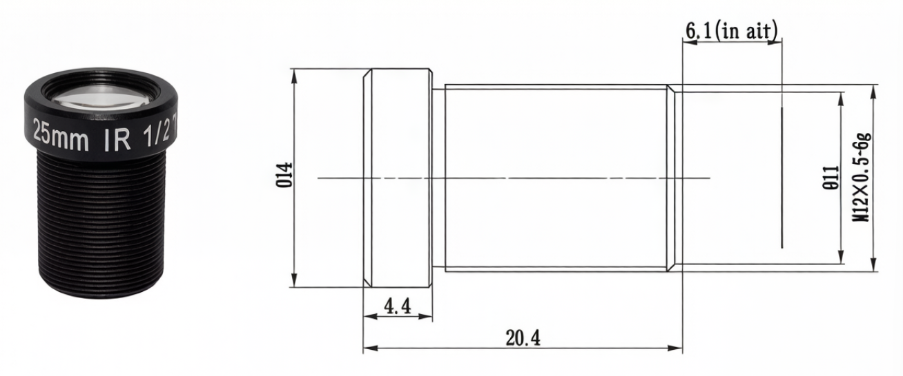
Model |  | 5MP-25MM-M12-3
Focal-Length (mm) |  | 25mm
Resolution |  | 5 Megapixel
Image format |  | 1/2"
Aperture |  | F2.4
Mount |  | M12
视场角(FieldAngle)D*H*V(°) |  | 1/2" | 1/3" | 1/4"
 | D | 18.3 | 13.8 | 10.4
 | H | 14.7 | 11.1 | 8.3
 | V | 11.1 | 8.3 | 6.3
Distortion |  | 1.13% | 0.64% | 0.36%
CRA |  | ≤7.4°
M.0.D |  | 0.5m
Dimension (mm) |  | diameter14x20.4mm
Weight |  | 5g
BFL |  | 11.98mm
MBF |  | 6.1mm
Size Tolerance: | 0-10±0.05; 10-30±0.10;30-120±0.20
Angle Tolerance: | ±2°

8MM
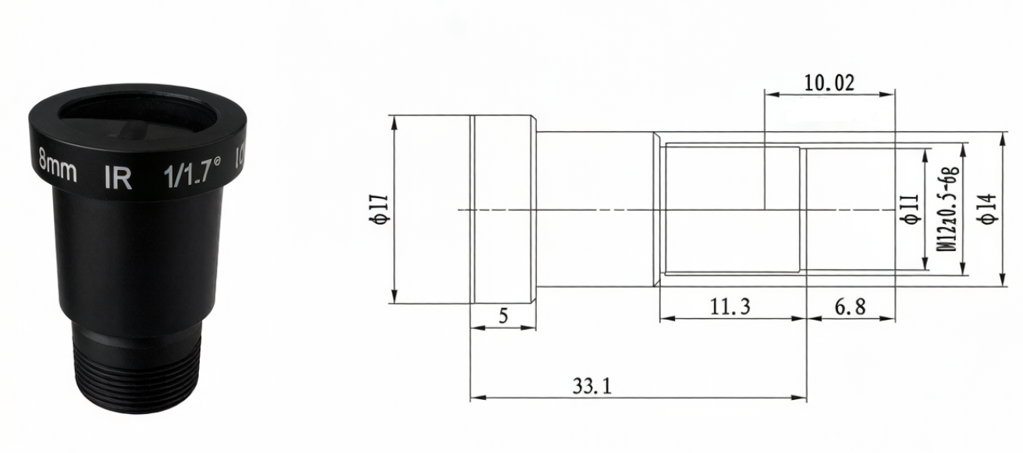
Model |  | 12MP-8MM-M12-8IR
Focal-Length (mm) |  | 8mm
Resolution |  | 12 Megapixel
Image format |  | 1/1.7
Aperture |  | F1.8
Mount |  | M12
视场角(FieldAngle)D*H*V(°) |  | 1/1.7" | 1/2.5" | 1/3"
 | D | 72.64 | 50.7 | 43
 | H | 57.12 | 44.4 | 34.7
 | V | 42.44 | 32.6 | 26.4
Distortion |  | 一15.68% (max)
CRA |  | ≤10.8°
M.0.D |  | 0.3m
Dimension (mm) |  | diameter17x33.1mm
Weight |  | 12g
BFL |  | 10.02mm
MBF |  | 6.8mm
Size Tolerance: | 0-10±0.05; 10-30±0.10;30-120±0.20
Angle Tolerance: | ±2°

6MM
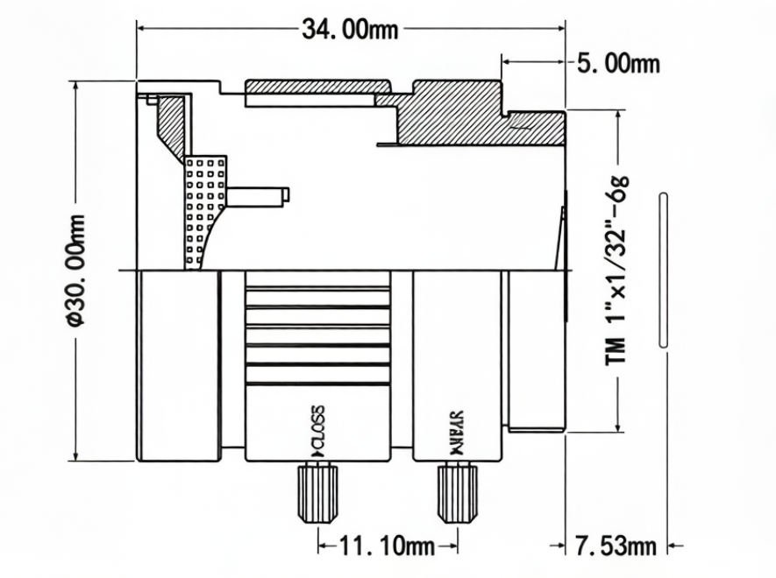
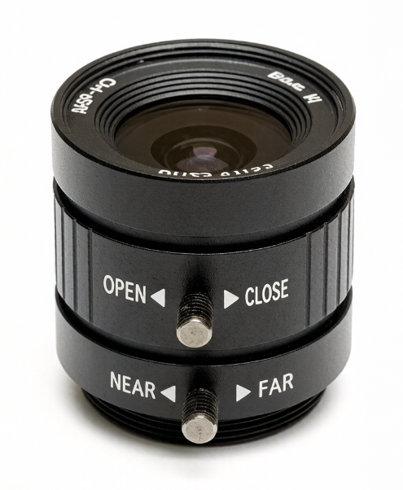 | Image format | 1/2"
 | Focal length | 6mm
 | Resolution | 3 MegaPixel
 | Aperture | F1.2
 | Mount | CS
 | Field Angle D | 63°
 | Recently, the distance between objects(M.O.D.) | 20CM
 | Back Focal Length | 7.53mm
 | Dimension | diameter30x34mm
 | Weight | 53g
 | Operation | Manual
Size

